Computer Science
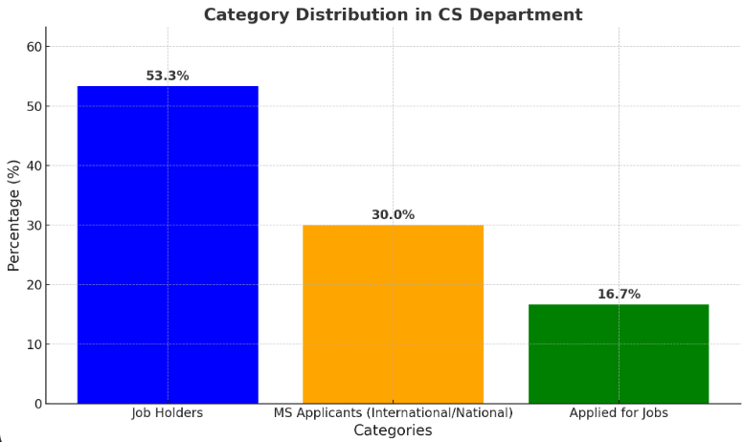
Enter Your Full Name. | Father Name | Current Status ( On Job/Applied, UnEmployed, Applied for MS | Job Organization/MS Uni | Earning Amount | Registration No (e.g B20F0284AI084) | Gender | Contact No. | Email Address | Domicile Province | Mailing Address (e.g Street # 3, House # 219, Margalla Town, Rawalpindi)
Mariyam | Iftikhar Yousaf | Applied MS | Germany, Uni of SARRLANDI/Online work is aviable | 0 | B20F0165CS004 | Female | 3314467046 | mariyam4492@gmail.com | Punjab | B 18/18, Sargodha road, Gujrat
Saad Abid | Abid Hussain | Web development | Devlopment 360 SW House | 40000 | B20F0365CS024 | Male | 3088480610 | saadabid21g@gmail.com | Khyber Pakhtunkhwa | pracha house pracha street near ncs college dhangri road mansehra
Muhammad Ammar Hashmi | Muhammad Farooq Shah | IT DEPARTMENT (Lab Engineer) | Lab Engineer (Pak Austria University) | (6 months) 2 lakh 88 thousand | B20F0373CS025 | Male | 3154420471 | hashmi.ammar5@gmail.com | Punjab | Street 1, House 6, Near GES No.1, Makhdoom Rasheed, Multan
Amina bibi | Irshad Mehmood | ML Engineer | NEXFIT SOLUTION | 60000 | B20F0027CS001 | Female | 3145867095 | B20F0027CS001@fecid.paf-iast.edu.pk | Khyber Pakhtunkhwa | New Khanpur near post office
Muhammad Mahad | Dr.Muhammad Sher | Backened Development | UPSTART COMMERCE | 80,000 | B20F229CS008 | Male | 3070875063 | mahad9036@gmail.com | Punjab | St # 49, H # 4, G/13-2 , Islamabad
Abdulsalam | Rizwan Ahmed | Markerting Intern | Enginneering AI | 50000 | B20F0417CS029 | Male | 3499881744 | abdulsalam44201@gmail.com | Khyber Pakhtunkhwa | Haripur, KTS , Sec #2 , House # 893
Hamza Aamer | Aamer Mehboob | Front End Developer | Sharq (Software House) | 150000 | B20F0259CS011 | Male | 3135684624 | B20F0259CS011@fecid.paf-iast.edu.pk | Khyber Pakhtunkhwa | house#805 Sector#03, Mohallah Kachi, KTS, Haripur
Muhammad Qaseem Ul Hassan | Ulfat Hussain | Applying for MS forign | Applying for MS forign | 50000 | B20F0279CS013 | Male | 923347896514 | B20F0279CS013@fecid.paf-iast.edu.pk | Punjab | Cat-4/146 New P.A.E.C Chashma Colony distt. Mianwali, tehsil Kundian, Punjab, Pakistan, P.O Box#: 42030
Abid Hussain | Muhammad Amin | Applied for MS/ ML Engineer | (University of Cambride)/Wapda | 40000 | b20f0437cs027@fecid.paf-iast.edu.pk | Male | 3125838936 | abidhussainwattoo5@gmail.com | Punjab | Chak No36 wb Vehari
Qummer Ali Shah | Sajid Hussain Shah | APP DEVELOPMENT | Sharjha Based Company | 50000 | B20F0428CS033 | Male | 3109459448 | Shahq2489@gmail.com | Khyber Pakhtunkhwa | Block , PTCL Colony G-8/4, Islamabad
Muhammad Suleman | Muhammad Saleem | Developer | Texel | 80000 | B20F0012CS035 | Male | 31014143412 | B20F0012CS035@fecid.paf-iast.edu.pk | Punjab | Rari chowk, Rang Pura, Sialkot
Jamal Ahmed Khan | Amjad Khan | Front End Developer/Applying for MS forign | Sharq (Software House) | 0 | B20F0358CS022 | Male | 3155850879 | jamalahmedjk420@gmail.com | Khyber Pakhtunkhwa | House No F-164 POF Havelian Cantt
Ahmed Raza | Khalid Mehmood | Business as Front End Developer | Texel | 0 | B20F0436CS031 | Male | 3309864878 | ahmedraza8616@gmail.com | Punjab | Village Thallah Khurd P/O Chak Beli Khan, Dist./Teh Rawalpindi
Sonia Akbar | Muhammad Akbar | ML Engineer | NEXFIT SOLUTION | 60000 | B20F0268CS012 | Female | 3203538875 | soniaakbar603@gmail.com | Punjab | Basti Gazran, Jasiwain, Post Office Bhutta pur, Tehsil and District Muzaffargarh
Muhammad Danish | Muhammad Arshad | Applied for MS in Germany, Head of Operations | Adversity(Rayat Saudia Arabia) | 30000 | B20F0375CS030 | Male | 3135796155 | iamdanish155@gmail.com | Punjab | Apartment C (Ground Floor), Block 316, Sector C, Askari 14, Rawalpindi
Yaseen Ejaz Ahmed | Ejaz Ahmed | Applied for MS in Canada | Applied For MS | 0 | B20F0283CS014 | Male | 3319804182 | B20F0283CS014@fecid.paf-iast.edu.pk | Punjab | House 30. Street 159. G-13/3. Islamabad
Abdul Basit | Gul Rehman | Digital Marketing | Shopify | 70000 | B20F0284CS015 | Male | 3162481661 | Abduljan1268@gmail.com | Khyber Pakhtunkhwa | CB SHOP NO 4 , OFFICER COLONY , THE MALL BASTI LALARUKH WAH CANTT, Wah Cantt, Rawalpindi, Punjab 47000
Muhammad Usama | Zulfiqar Ali | ML, DATA SCIENCE | Freelancing | 300000 | B20F0344CS021 | Male | 3145439273 | abdullah78617273@gmail.com | Punjab | TIP housing scheme phase 2 road # 18 house # 1806, Haripur
Muhammad Saud AIi | Ali Khan | ML, DATA SCIENCE | Freelancing | 300000 | B20F0318CS019 | Male | 3161214034 | iamsaudalikhan@gmail.com | Khyber Pakhtunkhwa | House 17, Street 1, Sector C, Sheikh Maltoon Town, Mardan
Zuraiz khan | Jamshed Ahmad khan | ML, DATA SCIENCE | Freelancing | 300000 | B20f0325cs037 | Male | 3161956792 | khanzuraiz069@gmail.com | Khyber Pakhtunkhwa | House no 1 Azeem khan street new Bagh Erum
Muhammad Talha Jamal | Amjad Hussain | ML, DATA SCIENCE | Freelancing | 300000 | B20F023CS009 | Male | 3106323835 | talha165176@gmail.com | Punjab | Street # 1, block -Y, House # 52-D, Satellite Town, Sadiqabad
Syed Habib Shah | Waqar Hussain Shah | APP DEVELOPMENT | Sharjha Based Company | 50000 | B20F0424CS032 | Male | 3155386965 | Syedhabib8909@gmail.com | Khyber Pakhtunkhwa | G-11/3 Street#8 house#415
Saad Siddiqui | Ghufran Javed | CEO Adversity | Adversity Company | 50000 | B20F0213CS006 | Male | 3348132424 | saadghufran2002@gmail.com | Punjab | House No 24 DC Road, Opposite DC House Gujranwala
ishaq hussain shah | sajjad hussain shah | Applying for MS forign | Applying for MS forign | 0 | b20f0386cs034 | Male | 3121395358 | ishaqshah189@gmail.com | Khyber Pakhtunkhwa | moh khewa sec no 3 kts haripur
Muhammad Waseem faiz | Faiz Muhammad | Front End Developer/Applying for MS forign | Sharq (Software House) | 150000 | B20F0286CS016 | Male | 3316781561 | me.waseemfaiz@gmail.com | Punjab | Post Office Mana Ahmadani
Tamoor Ellahi Chatha | Mustansar Hussain Chatha | Backened Development/Applying for MS forign | UPSTART COMMERCE | 0 | B20F0364CS023 | Male | 3041603103 | tamoorchatha82@gmail.com | Punjab | Thatha Azam khan pasrur road District & division Gujranwala
Saad Bin Khalid | Khalid Rashid | Front End Developer/Applying for MS forign | Sharq (Software House) | 150000 | B20F0247CS010 | Male | 3048098510 | B20F0247CS010@fecid.paf-iast.edu.pk | Punjab | Bolan Medical Complex, Labor Colony Block 3 Flat 2, Quetta
Roohan Sajid | Sajid Farooq | Applying for MS forign | Applying for MS forign | 0 | B20F0409CS017 | Male | 3216034577 | rohansajid24@gmail.com | Punjab | House # 79E, Near Rashidia Masjid, Allama Iqbal Town, Bahawalpur

Software Engineering
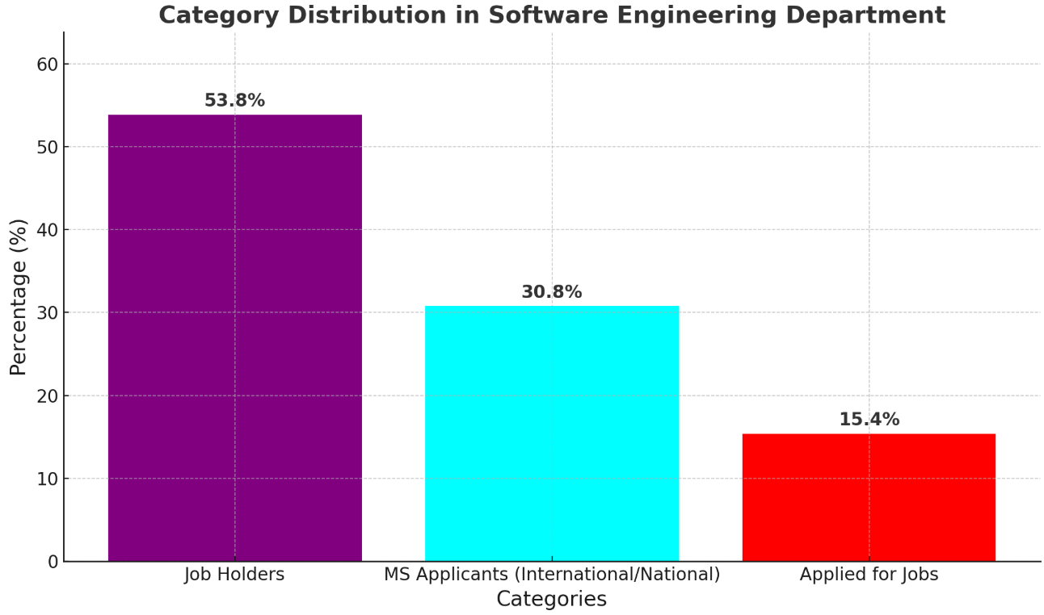
Enter Your Full Name. | Father Name | Current Status ( On Job/Applied, UnEmployed, Applied for MS | Job Organization/MS Uni | Salary | Registration No (e.g B20F0284AI084) | Gender | Contact No. | Email Address | Domicile Province | Mailing Address (e.g Street # 3, House # 219, Margalla Town, Rawalpindi)
Yaseen Ejaz | Ejaz Ahmad | (York University) Masters in Canada(Enterpreneural Activities) | (York University) Masters in Canada | 0 | B20F0254SE012 | Male | 3479568681 | yaseen.ejaz10@gmail.com | Khyber Pakhtunkhwa | House # 310, street # 8, KTS Haripur.
Muhammad Hamza | Liaqat Zaman | Applying for MS forign(Enterpreneural Activities) | Applying for MS forign | 0 | B20F0357SE020 | Male | 3105116858 | B20f0357se020@fecid.paf-iast.edu.pk | Punjab | Mohallah Najab Khel , Ghourghushti, Tehsil Hazro District Attock
Hamna Iqbal | Shamraiz Iqbal | Lab Engineer in pak austria | Pak Austria University | 128000 | B20F0255SE013 | Female | 3319591183 | hamnaiqbal44@gmail.com | Khyber Pakhtunkhwa | House#34 village Allam P.O. KTS district and Tehsil haripur
Muhammad Furqan Ali | Zulfiqar | Online(Python Working) | Online(Python Working) | 60000 | B20F0443SE028 | Male | 3245330252 | furqanaly94307@gmail.com | Khyber Pakhtunkhwa | CB-39 Tarkana Street, Supply, Abbottabad
Noufal | Mujeeb ur Rehman Lodhi | Web Development +SEO OPTIMIATION(Remotely) | Digitalize | 60000 | B20F0154SE025 | Male | 3005633868 | noufalhallian11@gmail.com | Khyber Pakhtunkhwa | Street umar Farooq, opposite kashmir cloth, supply, Abbottabad
Laiba Khalid | Khalid Nawaz | Lab Engineer in pak austria | Pak Austria University | 128000 | B20F0175SE008 | Female | 3320911549 | laibakhalid1902@gmail.com | Khyber Pakhtunkhwa | Mohalla Sairan, Village RaniWah, PO Pind Gujran, Tehsil Khanpur, District Haripur
Sheikh Abdurrehman | Sheikh Noorulamin Noor | Data Scientist | Swatii technologies | 60000 | B20F0329SE022 | Male | 3116350755 | B20F0329SE022@fecid.paf-iast.edu.pk | Khyber Pakhtunkhwa | House # 24 , street # 3 , sector H, ghazikot Township Mansehra
Talal zaman abbasi | Sadaqat zaman abbasi | freelancing, web software development. local Client and International. | Self Start Up | 80 K | B20F0431SE036 | Male | 3101570620 | B20f0431se036@fecid.paf-iast.edu.pk | Khyber Pakhtunkhwa | Village thanda Chowa p/o sarai saleh District Haripur
Sana Arif | Arif Mehmood | Data Scientist | AHQ | 50000 | B20F0252SE011 | Female | 3498158659 | Sanaha319@gmail.com | Khyber Pakhtunkhwa | PAF Complex Sector E9 Islamabad
Zeeshan Ali | Khawaj Muhammad | ML, DATA SCIENCE | Freelancing | 300000 | B20F0406SE031 | Male | 3145914166 | zeeshanali22pch@gmail.com | Khyber Pakhtunkhwa | Sec no 2 kts haripur
Sibtain Syed | Shah Abdul Qadeer | AI | Freelancing(Startup)Eccc(Remotely) | 100000 | B20F0458SE030 | Male | 3125208314 | sibtainshah621@gmail.com | Khyber Pakhtunkhwa | street 10, Margalla housing society, D-17, islamabad
Rehan Ahmed | Hifz Ur Rehman | Applying for MS forign(Enterpreneural Activities) | Applying for MS forign | 0 | b20f0065se002 | Male | 3305934484 | rehanahmedahmed007@gmail.com | Khyber Pakhtunkhwa | Village bhera p/o jaulian tehsil khanpur district haripur
Amir Hamza Mazhar | Mazhar Ayub | Lab Engineer in pak austria | Pak Austria University | 128000 | B20F0039SE001 | Male | 3135635216 | b20f0039se001@fecid.paf-iast.edu.pk | Khyber Pakhtunkhwa | Central Public School Opposite Daewoo Bus Stand Mandian Abbottabad
Shehryar Ahmed | Shafique Ahmed | Web Development | Remotely UK BASED COMPANY | 100000 | B20F0315SE017 | Male | 3105509288 | b20f0315se017@fecid.paf-iast.edu.pk | Khyber Pakhtunkhwa | House # 615 near Al Hadis Mosque, Mohallah Ferozpura, Haripur
Tanzeel Ul Islam Badar | Ejaz Ahmed | User Experience Design | UK(REMOTELY) | 90000 | B20F0433SE027 | Male | 3428950400 | tanzeelbadar123@gmail.com | Khyber Pakhtunkhwa | Moh kho nai abadi opposite govt girls degree college Dhendia Chowk, Haripur
Waqas Ur Rehman | Muhammad Islam | Virtual Assistent | Amazon(Remotely) | 80000 | B20f0121se033 | Male | 3149791969 | waqasurrehman969@gmail.com | Khyber Pakhtunkhwa | Mohallah Nia chum, village Zaida, District and TEH swabi
Sibgha Ali Syed | Ishtiaq Hussain Shah | Job In Dubai | Job In Dubai | 60000 | B20F0434SE034 | Female | 3338672935 | Sibgha.syed786@gmail.com | Khyber Pakhtunkhwa | VillageThipra P/O khal bhala haripur
Muhammad Khubaib | Habib ur Rehman | Applying for MS forign(Enterpreneural Activities) | Applying for MS forign | 0 | B20F0136SE005 | Male | 3350805956 | mkhubiii12@gmail.com | Khyber Pakhtunkhwa | -
Huzaifa Mazhar | Mazhar hussain | (Enterpreneural Activities) | (Unemployed)Applied For Job | 0 | B20f0351se015 | Male | 3105824438 | Huxafia.m@gmail.com | Khyber Pakhtunkhwa | C/o jumma house flat#1 shahlia road dub 1 Mansehra
Muhammad Mussaddiq Faheem | Muhammad Faheem Akhter | (Enterpreneural Activities) | (Unemployed)Applied For Job | 0 | B20F0135SE004 | Male | 3435165604 | mussaddiqfaheem@gmail.com | Punjab | MOH. Ahmed Nagar Jand tehsil Jand distt. Attock
Bilal | Aurangzeb Khan | operations marketing | Tjay Electric | 70000 | B20F0308Se016 | Male | 3058553551 | B20f0308se016@fecid.paf-iast. | Khyber Pakhtunkhwa | Hatter, Kotnajibullah, Haripur
Muhammad Talal Ejaz | Ejaz Ahmed | CEO | Saabazland | 80000 | B20F0347SE018 | Male | 3135613264 | talalejaz228@gmail.com | Khyber Pakhtunkhwa | Sector D 12/1, House 406, Street Number 107, Islamabad
Bibi Zainab Bint E Ali | Muhammad Ali | Applying for MS forign | Applying for MS forign | 0 | B20F0153SE006 | Female | 3185541193 | zainabbbbinteali@gmail.com | Khyber Pakhtunkhwa | Ali Hospital near Post graduate college, College Doraha Mansehra
Sparli Aman | Malik Aman | Applying for MS forign | Applying for MS forign | 0 | B20F0161SE007@fecid.paf-iast.edu.pk | Male | 3060987667 | b20f0161se007@fecid.paf-iast.edu.pk | Khyber Pakhtunkhwa | Street # 22, House # 18, TIP Housing Society, Haripur
Tayyab Saeed | Saeed Ahmed | UI/UX design(Locally) | Freelancing | 20000 | B20FP451SE037@fecid.paf-iast.edu.pk | Male | 923101883162
Umer Khan |  | Developer | Foreign Company | 20000 | B20F0282SE014@fecid.paf-iast.edu.pk | Male | 923416557034

Chemical Engineering
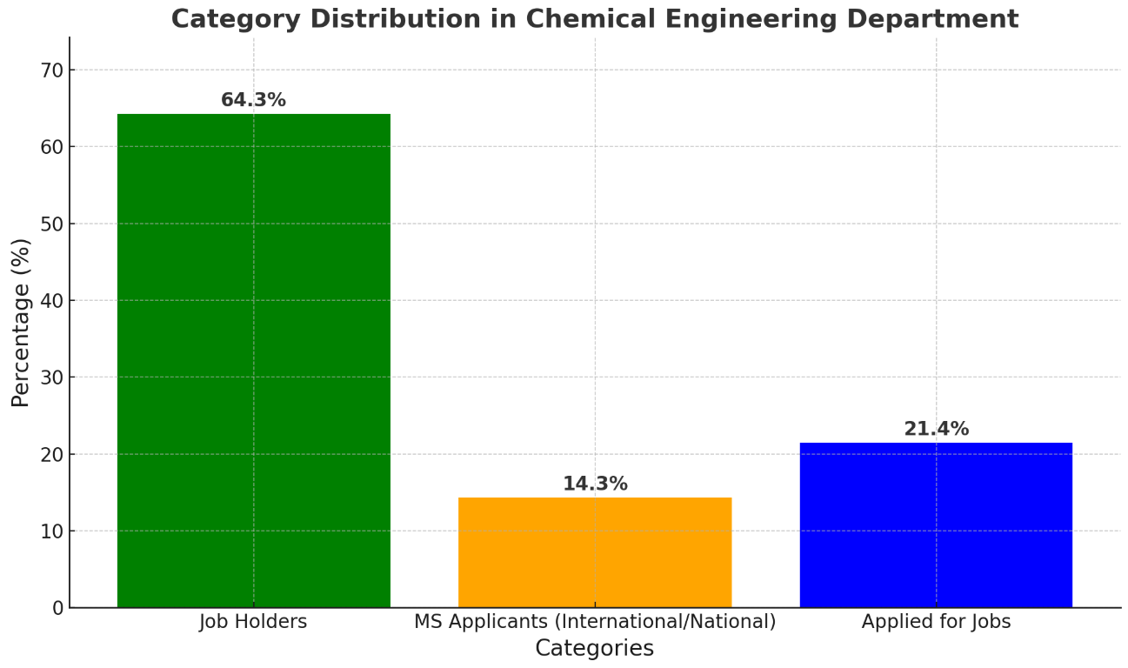
Name of Student | Current Status ( On Job/Applied, UnEmployed, Applied for MS | Job Organization/MS Uni | Salary | Gender | Registration Number | Contact No. | Email Address | Domicile (District) | Present Address
Hamna Shaukat | Appplied for Job(Interview Phase applied)(Enterpreneural Activities) | KSB Pumps company, MS Applied EU | 50000 | Female | B20F0001CHE001 | 3465717687 | B20F0001CHE001@fcm3.paf-iast.edu.pk | Rawalpindi | House no G-61, Street no 31, Phase 3, Officers Colony, Wah Cantt
Yasrab Jehangir | Chemical Engineer | Dynea Pakistan( MOU Sign with PAFIAST) | 140000 | Female | B20F0016CHE002 | 92 3325616110 | B20F0016CHE002@fcm3.paf-iast.edu.pk | Mansehra | Village and Post Office, Bahali Mansehra
Aoha Roohi Amin | GIK LAB Engg | GIK | 88000 | Female | B20F0031CHE003 | 923425079151 | b20f0031che003@fcm3.paf-iast.edu.pk | Peshawar | House No. T-1622, Afghan Colony, Street no. 08, Peshawar
Hamza Abid | Socail Media | Tik Tokker new | 30000 | Male | B20F0186CHE004 | 3169174741 | b20f0186che004@fcm3.paf-iast.edu.pk | Mansehra | Daibgran Mansehra
Saif Ullah | Bahrain, Gulf | Job done | 80000 | Male | B20F0248CHE005 | 3469199735 | B20F0248CHE005@fcm3.paf-iast.edu.pk | Haripur | House no. 225, main road, anora mor, sector 04, khalabat township, haripur, 22800
Waqas Umer | Cloud 7, Oil and Gas | KSA | 250 Lac | Male | B20F0264CHE006 | 3470308689 | B20F0264CHE006@fcm3.paf-iast.edu.pk | Abbottabad | house No K 149 Mohala Qasim Shaheed , kunj jadeed Abbottabad
Muhammad Haseeb | CSS, prepare, Radio, Smile, Alkhadmit | NUST, 40k | 40000 | Male | B20F0267CHE007 | 3185352732 | B20F0267CHE007@fcm3.paf-iast.edu.pk | Haripur | Awan Colony Near Afaq Hotel Haripur
Jibrael Khan | Freelancing, Applied on different posotion, PEC did not update website | Fiber, Youtube automation | 70000 | Male | B20F0277CHE008 | 3419647148 | B20f0277che008@fcm3.paf-iast.edu.pk | Swabi | Village Bamkhel District & Tehsil Swabi, KP
Muhammad Raheel | Internship Hitech | Hitech | 40000 | Male | B20F0293CHE009 | +92 3341122651 | B20F0293CHE009@fcm3.paf-iast.edu.pk | karak | HIT Taxila
Sajawal Ahmed | Applying for Job, NEScom interview, Test clear | Nescome | 50000 | Male | B20F0317CHE010 |  | B20F0317CHE010@fcm3.paf-iast.edu.pk | Haripur | House # E139, T.S.C Colony, Tehsil & District Haripur.
Rubab Sher Afzal | Applied for job(Enterpreneural Activities) | Applied For Job | 60000 | Female | B20F0343CHE011 | 3185588469 | B20F0343CHE011@fcm3.paf-iast.edu.pk | Haripur | House No 23,Street No 11,Mohaalah Goharabad railway station Taxila
Mohsin Khan | AR group of copmanies | AR group of copmanies | 80000 | Male | B20F0379CHE012 | 3499646468 | B20F0379CHE012@fcm3.paf-iast.edu.pk | Haripur | House no 52, Sector no 2, Khalabat town ship, Haripur, KPK
Muhammed Anas Shoaib | KSA, MS applying, Austria(Enterpreneural Activities) | KSA,Austria | 60000 | Male | B20F0095CHE015 | 3115536516 | B20F0095CHE015@fcm3.paf-iast.edu.pk | Karachi | FLAT 522, Euro Grand Park, Nazimabad 01, Karachi, Pakistan
Tayyab Khan | Applying for Job, NEScom interview, Test clear(Enterpreneural Activities) | Nescome | 30000 | Male | B20F0350CHE016 | 3472725320 | B20F0350CHE016@fcm3.paf-iast.edu.pk | Haripur | Village & P.O Pind Gujjran, Tehsil Khanpur, District Haripur
Syed Ghose Ali Shah | Applying for MS forign(Enterpreneural Activities) | Applying for MS forign | 50000 | Male | B20F0388CHE017 | 3485772145 | B20F0388CHE017@fcm3.paf-iast. edu. pk | Haripur | House 1268 sector 1 Qureshi chwk Kts Haripur
Ali Sher Soomro | Fouji Fertlizer, Khi | Khi | 120000 | Male | B20F0441CHE018 | 92 3303434247 | B20F0441CHE018@fcm3.paf-iast.edu.pk | Rajanpur | House no.A-1, SPL Colony, Jinnah Avenue, Malir Halt, Karachi, 75100
Abu Bakar Amir | Job Applied | Lahore, | 30000 | Male | B20F0395CHE019 | 3044971086 | B20F0395CHE019@fcm3.paf-iast.edu.pk | Lahore | House no 146 , Street no 1 , D Block , All Faisal Town Bahar Shah Road Lahore Cantt.
Waqas Ali | Armco, Interview done(Enterpreneural Activities) | KSA,Austria | 50000 | Male | B20F0393CHE020 | 3000309580 | B20F0393CHE020@fcm3.paf-iast.edu.pk | Dera Ismail Khan | P.O tehsil paharpur District DIKhan
Qurat Ul Ain | OGDCL | MS GIKI | 120000 | Female | B20F0442CHE021 | 3365752032 | B20F0442CHE021@fcm3.paf-iast.edu.pk | Haripur | Islamabad F8
Areeba Naqvi | Teaching/ Applied for Job. hitech | Hitech | 20000 | Female | B20F0454CHE030 | 92 3180520896 | B20F0454CHE030@fcm3.paf-iast.edu.pk | Haripur | Village Garhi Syedain, Post Office Jolian, Tehsil Khanpur, District Haripur
Malik Mubeen Ali | Applied for Job, NFS, rahfan products | NFS, rahfan products | 30000 | Male | B20F0444CHE022 | 0335 0918371 | B20F0444CHE022@fcm3.paf-iast.edu.pk | Haripur | Bandi Seeran District and Tehsil Haripur
Muhammad Aftab | MS PAFIAST(Enterpreneural Activities) | Paf-iast University | 50000 | Male | B20F0456CHE023 | 3205647789 | B20F0456CHE023@fcm3.paf-iast.edu.pk | Haripur | Aziz Colony, TIP , Jail Bazar
Muneeb Hafeez | Applied for job, (Enterpreneural Activities) | Applied For Job | 50000 | Male | B20F0475CHE026 | 3157624061 | B20F0475CHE026@fcm3.paf-iast.edu.pk | Lahore | House number 290-291 Block G4 phase 1 Johar Town,Lahore.
Aamir Khan Swati | Applied for job, (Enterpreneural Activities) | Applied For Job | 50000 | Male | B20F0465CHE028
Ahmad Nauman Shabir | Services Online, GHL co high level | GHL co high level | 50000 | Male | B20F0463CHE029 | 3047213479 | B20f0463che029@fcm3.paf-iast.edu.pk | Bahawalpur | House no :83/B punjab housing scheme Site A
Armaghan Faisal | Gamlex Oleo Chemicals Khi | Khi | 60000 | Male | B20F0010CHE031 | 0321 2427366 | armaghan.aps29@gmail.com | Karachi | Flat#208/3, Al Khizra Heights, Block#3-A, Gulitsan-e-Jauhar, Karachi
Muneeb Ahmad | Freelancing, Project based | Online Freelancing | 70000 | Male | B20F0474CHE033 | 3189898703 | B20f0463che029@fcm3.paf-iast.edu.pk | Malakand | Malakand 03 Hydropower Complex Dargai

BioMedical Sciences
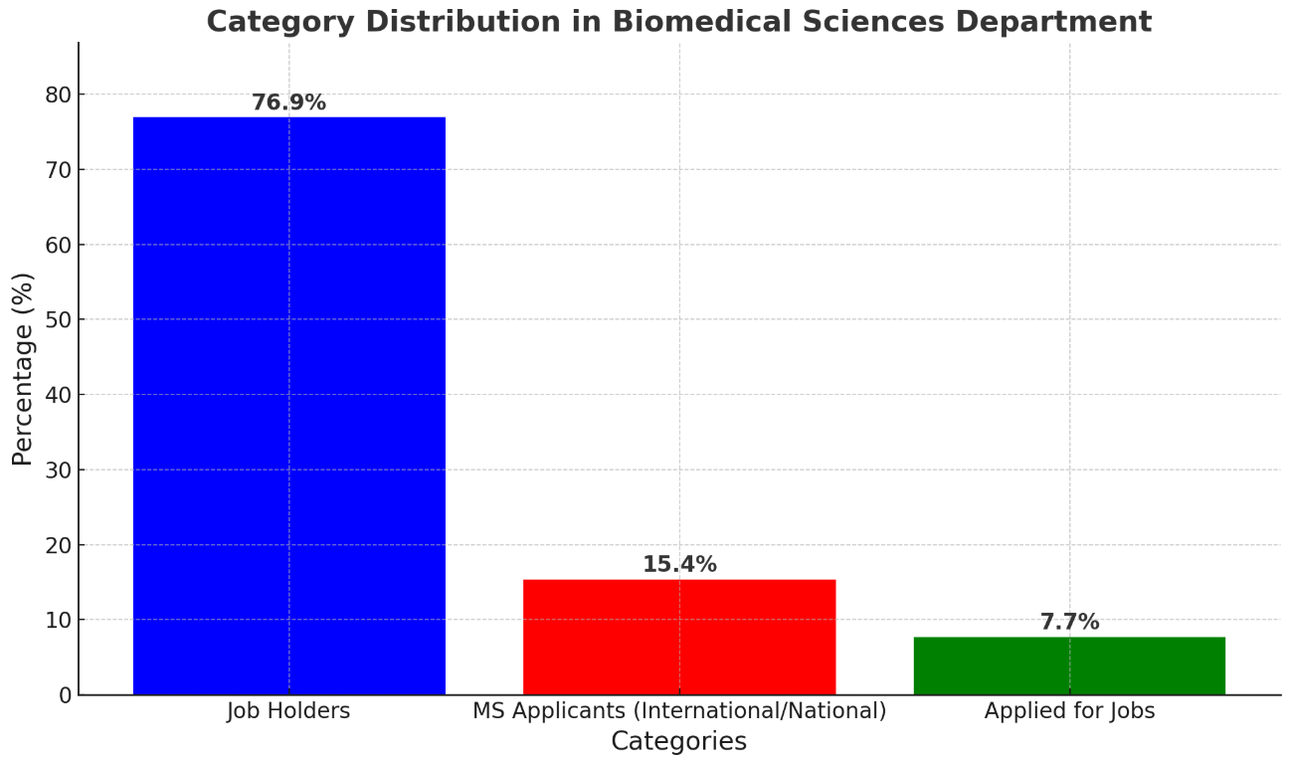
Student Name | Current Status ( On Job/Applied, UnEmployed, Applied for MS | Job Organization/MS Uni | Salary | Email id | Gender | Mobile No | Domicile | Address | Email ID2
Usman Abdullah | MS applied (Enterpreneural Activities) | MS applied | 50000 | B20F0005BMS001@fbse.paf-iast.edu.pk | Male |  | KPK |  | -
Hasan Abdullah Malik | USA, MS apply, Resreach Lab | MS apply, Resreach Lab | 50000 | B20F0022BMS002@fbse.paf-iast.edu.pk | Male | 03024269994 | Sindh | Islamabad, Pakistan | hm902295@gmail.com
Nimra Shafqat | Married | Married | 50000 | B20F0032BMS003@fbse.paf-iast.edu.pk | Female | 923155902832 | Punjab | Tofkian khanpur Road, Khanpur | nimrashafqat07@gmail.com
Afsheen Tajummal | 2 insect netherland | Islamabad | 35000 | B20F0035BMS004@fbse.paf-iast.edu.pk | Female | 03365359687 | KPK | P.O Box 11200 Village Sehore, Tehsil Khui ratta, District Kotli, AJK | B20F0035BMS004
Asma Zahoor | who, project health care system, applied MS | applied MS | 80000 | B20F0054BMS005@fbse.paf-iast.edu.pk | Female |  | Punjab |  | -
Ayesha Riaz | MS pafiast(Enterpreneural Activities) | MS pafiast | 50000 | B20F0070BMS006@fbse.paf-iast.edu.pk | Female |  | Punjab |  | -
Habab Ali Ahmad | MS /Lab demo/resreacher | Resreacher | 80000 | B20F0128BMS008@fbse.paf-iast.edu.pk | Male | 923409052244 | KPK | mohallah mama Khel village Kalu Khan District Swabi | hababaliahmad@gmail.com
Mashaal Nageen | UK, Master/ Coventry (Enterpreneural Activities) | Coventry | 50000 | B20F0187BMS009@fbse.paf-iast.edu.pk | Female | 03040724358 | KPK | Village Khalo, Post Office And Tehsil Ghazi, District Haripur | mashaalnageen67@gmail.com
Maryam Noor ul Ain | Master Applying, PAFIAST(Enterpreneural Activities) | Master Applying, PAFIAST | 50000 | B20F0164BMS010@fbse.paf-iast.edu.pk | Female |  | KPK |  | -
Wajiha Saleem | MS NUST(Enterpreneural Activities) | NUST | 50000 | B20F0134BMS011@fbse.paf-iast.edu.pk | Female | 3480057374 | Punjab | Kali Trar Shirki Haripur, Khyber Pakhtunkhwa, Pakistan | wajihavjj2000@gmail.com
Muhammad Fozan | Junior Emprologist, American Fertilty centre ISB, MS doing | Islamabad | 50000 | B20F0142BMS012@fbse.paf-iast.edu.pk | Male | 03085438348 | KPK | 18H-1738 POF Wah Cantt Teh Taxila and Dist Rawalpindi | mfozan678@gmail.com
Hafsa Khan | MS Nust/ MS UK/finding job | Finding Job | 50000 | B20F0193BMS013@fbse.paf-iast.edu.pk | Female | 923359399622 | KPK | Street Besides Friends Mart, Western Circular Road, Main City, Haripur | hafsakhan4343@gmail.com
Najam ul sehar Ali Qamar | MS PAFIAST. (Enterpreneural Activities) | MS PAFIAST. | 50000 | B20F0188BMS014@fbse.paf-iast.edu.pk | Female |  | KPK |  | -
Ehtisham ul haq Jadoon | MS/ LAB Demo(Enterpreneural Activities) | MS/ LAB Demo | 50000 | B20F0147BMS015@fbse.paf-iast.edu.pk | Male |  | Punjab |  | -
Sardar Saad Bin Rashad | Death | Death | 50000 | B20F0123BMS016@fbse.paf-iast.edu.pk | Male |  | KPK |  | -
Rafia Mehboob | Left(Enterpreneural Activities) | Left | 50000 | B20F0103BMS017@fbse.paf-iast.edu.pk | Female |  | KPK |  | -
Ayesha Khan | MS PAFIAST(Enterpreneural Activities) | MS PAFIAST | 50000 | B20F0177BMS018@fbse.paf-iast.edu.pk | Female |  | Punjab |  | -
Maryum bint-e-Ali | MS applying foreign(Enterpreneural Activities) | MS Apply | 50000 | B20F0089BMS019@fbse.paf-iast.edu.pk | Female | 03185541192 | KPK | Ali house Afzalabad, College durah | maryumbinteali2001@gmail.com
Ehtisham Shafique | MS/ Lab Demo(Enterpreneural Activities) | MS Apply | 50000 | B20F0112BMS020@fbse.paf-iast.edu.pk | Male | +923429715865 | KPK | Village Mohar Khurd post office Lassan Nawab Tehsil and District Mansehra | b20f0112bms020@fbse.paf-iast.edu.pk
Anas Abdul Malik | MS/Lab Demon Fellowship program PAFIAST | MS | 128000 | B20F0158BMS021@fbse.paf-iast.edu.pk | Male |  | KPK |  | -
Sayyeda Sabahat Babar | No Job(Enterpreneural Activities) | No Job | 50000 | B20F0030BMS022@fbse.paf-iast.edu.pk | Female | 3215606070 | KPK | Village Mian Dheri, Tehsil Ghazi, District Haripur | syedasba58@gmail.com
Laveeza Khan | No Job(Enterpreneural Activities) | No Job | 50000 | B20F0199BMS023@fbse.paf-iast.edu.pk | Female | 03020103475 | Punjab | 9/f flat no. 08,wah cantt | laveezakhan333@gmail.com
Mashal Ejaz Khan | MS PAFIAST. (Enterpreneural Activities) | MS Apply | 50000 | B20F0210BMS024@fbse.paf-iast.edu.pk | Female | +923171683835 | KPK | The Fazlehaq college Western residencies house B6 nisatta road Mardan | mashalejaz03@gmail.com
Muhammad Abideen | research Assitant, BJ mocro Lab | BJ mocro Lab | 80000 | B20F0220BMS025@fbse.paf-iast.edu.pk | Male | 03405976446 | KPK | Manga Senior Hostel PAF-IAST | abideen.jam@gmail.com
Sohail Ahmad | left(Enterpreneural Activities) | left | 50000 | B20F0244BMS027@fbse.paf-iast.edu.pk | Male |  | KPK |  | -
Khizar Hussain | left(Enterpreneural Activities) | left | 50000 | B20F0246BMS028@fbse.paf-iast.edu.pk | Male |  | KPK |  | -
Muhammad Ibrahim Khan | MS PAFIAST/ Austrailai MS done(Enterpreneural Activities) | MS PAFIAST | 50000 | B20F0217BMS029@fbse.paf-iast.edu.pk | Male | +923488123706 |  | 22010, Link road narrian cantt abbottabad | B20F0217BMS029@fbse.paf-iast.edu.pk

Electrical Engineering
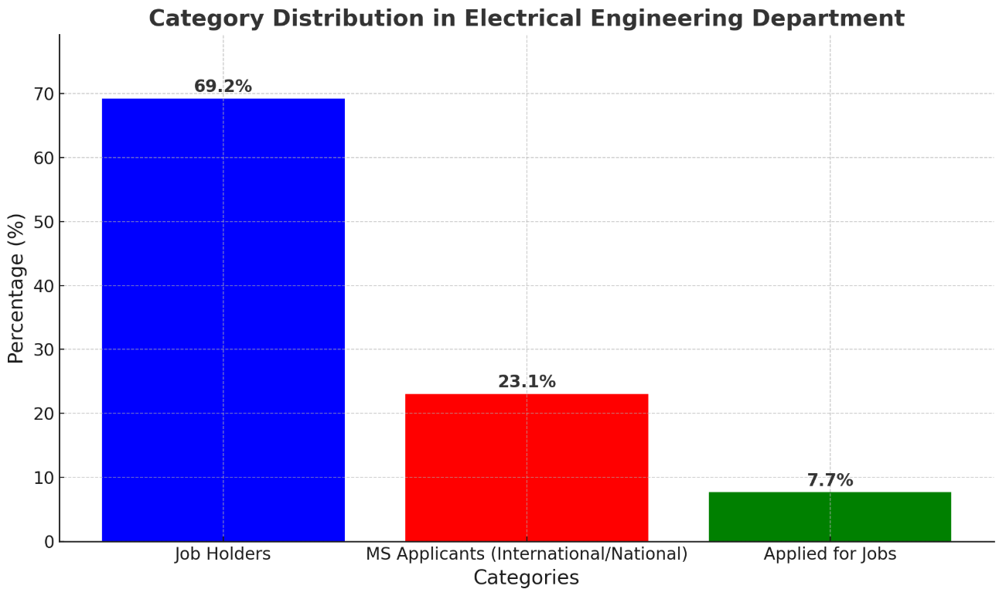
Name | Father Name | Job Status/ MS Applied | City/salary | Salary | Registration No | Email Id | Mobile No | Gender | Domicile | Address
Annus luqman | Muhammad Daud Khan | Gujarawala Hydro power/ shift Engineer | Gujarawala | 60000 | B20F0313EE015 | B20F0313EE015@fecid.paf-iast.edu.pk | 0318-1595483 | Male | KPK | Car Road, Dewaar Stop, Abbottabad.
Samee Ahmed Shaikh | Saleem Ahmed Shaikh | STDC khi | Karachi | 70000 | B20F0118EE022 | B20F0118EE022@fecid.paf-iast.edu.pk | 0332-3807727 | Male | Sindh | House no B-28, Gulshan e Bakhtawar, Phase 2, Qasimabad, Hyderabad.
Jahanzaib khan | Abdull Sattar Khan | Fazal Kareem Oil Mills | Peshwar | 60000 | B20F0288EE013 | B20F0288EE013@fecid.paf-iast.edu.pk | 0345-6849659 | Male | Punjab | Railway Mohallah Near Jamil Stadium House No 201 City (bhakkar)
Sultan Awais | Zain Ullah | MS Project management UKBredford Uni(Enterpreneural Activities) | MS Applicant | 50000 | b20f0435ee028 | B20F0435EE028@fecid.paf-iast.edu.pk | 0335-5842959 | Male | KPK | new villa town pabbi district nowshera
Jahanzaib | Qaisar Farooq | Edidtor, Company | Lahore | 60000 | B20F0257EE014 | B20F0257EE014@fecid.paf-iast.edu.pk | 0301-6962059 | Male | Punjab | Mohalah Shaheen Abad Chowk Sarwar Shaheed,District Muzaffargarh
Muhammad Anees Lang | Malik shah nawaz | Applied JOB Meple Leave | Islamabad | 50000 | B20F0438EE029 | B20F0438EE029@fecid.paf-iast.edu.pk | 0340-0946319 | Male | Punjab | P/O rangpur shumali village lang khair shah tehsile paharpur district Dera ismail khan
Muhammad Usman Jadoon | Sanaullah Khan | MS PAFIAST(Enterpreneural Activities) | MS Applicant | 50000 | B20F0447EE031 | B20F0447EE031@fecid.paf-iast.edu.pk | 0332-9542486 | Male | KPK | P.o box Kholian Bala district and tehsil , Haripur
Hizbullah Ishfaq Khan | Muhammad Ishfaq Khan | MS Applied Irland/ University LimeRick(Enterpreneural Activities) | MS Confirmed | 50000 | B20F0410EE027 | B20F0410EE027@fecid.paf-iast.edu.pk | 0333-1381388 | Male | KPK | Village Kangra post office kangra colony tehsil and district haripur
Mohib Haroon | Muhammad Haroon | PLC Group | Rawalpindi | 55000 | B20F0440EE030 | B20F0440EE030@fecid.paf-iast.edu.pk | 0315-5958752 | Male | KPK | Village Chapri Maira Post Office Alooli Tehsil/District Haripur
Muhammad Suleman | Muhammad Khan | Unemployed, Applied for Job(Enterpreneural Activities) | Unemployed | 50000 | B20F0404EE026 | B20F0404EE026@fecid.paf-iast.edu.pk | 0310-5954631 | Male | Punjab | Village and Post Office Mardwal Tehsil Naushehra District Khushab
Abdul Wasey | Tanveer Ahmed | Not Job Applied for Job(Enterpreneural Activities) | Islamabad | 50000 | B20F0342EE033 | B20F0342EE033@fecid.paf-iast.edu.pk | 0336-9863545 | Male | KPK | University Road street no 3 house no 2 opposite Iqbal hostel haripur
Omair Iftikhar | Iftikhar Ahmed | Apply for Job NSTP, Atomic(Enterpreneural Activities) | Islamabad | 50000 | B20F0192EE010 | B20F0192EE010@fecid.paf-iast.edu.pk | 0312-9764778 | Male | KPK | House no :t/c 805/15 mohallah lower shoaib zai nawanshehr,abbottabad,kpk
Furqan Ahmad | Ejaz Ahmad | Oil and Gas internship | Islamabad | 35000 | B20f0251ee036 | B20F0251EE036@fecid.paf-iast.edu.pk | 0318-1561515 | Male | KPK | House no 44 , sectir no 02 , kts , haripur .
Maaz bin Maqsood. | Maqsood shah | MS Applied/ Job Applied(Enterpreneural Activities) | MS Applicant | 50000 | B20F0272EE021 | B20F0272EE021@fecid.paf-iast.edu.pk | 0332-5848222 | Male | Punjab | gulisatn colony wah cantt B#329 near barrier no 1.
Hassan zaman | Qamar Zaman | Volta, | Hattar | 55000 | B20F0138EE007 | B20F0138EE007@fecid.paf-iast.edu.pk | 0310-8497618 | Male | KPK | MANG,District Haripur Tehsil Khanpur
Haseeb Ullah | Allah dad | ViVo Tech | Islamabad | 35000 | B20F0068EE004 | B20F0068EE004@fecid.paf-iast.edu.pk | 0301-8345515 | Male | KPK | village Maini, Moh :Bar Khaddar khankhel. Teh: Topi, Distt: swabi
Muhammad Awab Ahsan | Muhammad Ahsan | NUST Seccs/ system on Chip | Islamabad | 60000 | B20F0242EE016 | B20F0242EE016@fecid.paf-iast.edu.pk | 0333-5233579 | Male | Punjab | P981 Mohallah Angat Pura Saidpur Road Rawalpindi
Waseem Ullah | Rahman Ullah | unemployed, Applied for Job(Enterpreneural Activities) | Applied for Job | 50000 | B20F0414EE035 | B20F0414EE035@fecid.paf-iast.edu.pk | 0349-4429566 | Male | KPK | v/p baghdush khel tehsil timergara lower dir
Abdul Samad | Inamullah | Fazal Kareem Oil Mills | Peshwar | 60000 | B20F0212EE012 | B20F0212EE012@fecid.paf-iast.edu.pk | 0302-5770064 | Male | KPK | Muslimabad Thana Malakanad
Muhammad Hashir | Muhammad Yousaf | Fazal Kareem Oil Mills | Peshwar | 60000 | B20F0181EE09 | B20F0181EE09@fecid.paf-iast.edu.pk | 0334-5266255 | Male | KPK | Mohalla, syeda Wala, Village Malikyawr,haripur
Numra Jadoon | Khan Gul | Fazal Kareem Oil Mills | Peshwar | 60000 | B20F0169EE08 | B20F0169EE08@fecid.paf-iast.edu.pk | 0333-0367972 | Female | KPK | Village Lower Narian PO Box Nawan Shehr Tehsil and District Abbottabad
Javaria Ilyas | Muhammad Ilyas | Intership Orange trainline | Intership Orange trainline | 60000 | B20f0090ee023 | B20F0090EE023@fecid.paf-iast.edu.pk | 0312-1481188 | Female | Punjab | Mandyala chek no. 20 district shaikhpura tehsil safdarabad
Syeda Ezza Haider | Syed Pehlwan Shah | Teresor DHA PHaSE 2 | Islamabad | 65000 | B20F0071EE032 | B20F0071EE032@fecid.paf-iast.edu.pk | 0332-9337707 | Female | KPK | Village Thipra p/o kahal Bala district haripur
Nimra Muskan | Muhammad Zubair | MS NUST Applied(Enterpreneural Activities) | MS NUST Applied | 50000 | B20F0084EE005 | B20F0084EE005@fecid.paf-iast.edu.pk | 0317-5951040 | Female | KPK | KPK ,haripur, KTS, sector # 3 , mohalla Anora, House # 69/70
Isfa zahid | Zahid hussain | MS EU Applied(Enterpreneural Activities) | MS NUST Applied | 50000 | B20F0020EE001 | B20F0020EE001@fecid.paf-iast.edu.pk | 0300-5062984 | Female | KPK | House no E 88 POF havelian cantt
Usama malik | Malik Abdul Hameed | MS France(Enterpreneural Activities) | Doing MS IT Insititute | 50000 | B20F0302EE019 | B20F0302EE019@fecid.paf-iast.edu.pk | 0335-0902304 | Male | KPK | Mohallah kund near govt girls degree college no2 haripur.

